Test Scenarios
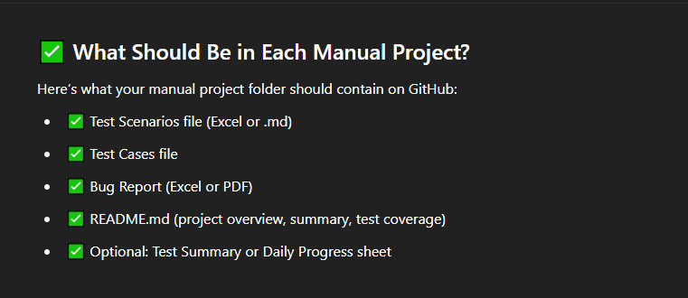
Test Scenario ID | Refrence | Test Scenario Description | Priority | Number of Test Cases
(TS_001) Register functionality | FRS | Validte the functionality of the Register Account.

